Film Summary
Data Output
max_film_id | avg_release_year | min_rental_duration | max_rental_duration | avg_rental_duration | min_rental_rate | max_rental_rate | avg_rental_rate | min_length | max_length | avg_length | min_replacement_cost | max_replacement_cost | avg_replacement_cost
1000 | 2006 | 3 | 7 | 4.985 | 0.99 | 4.99 | 2.98 | 46 | 185 | 115.272 | 9.99 | 29.99 | 19.984

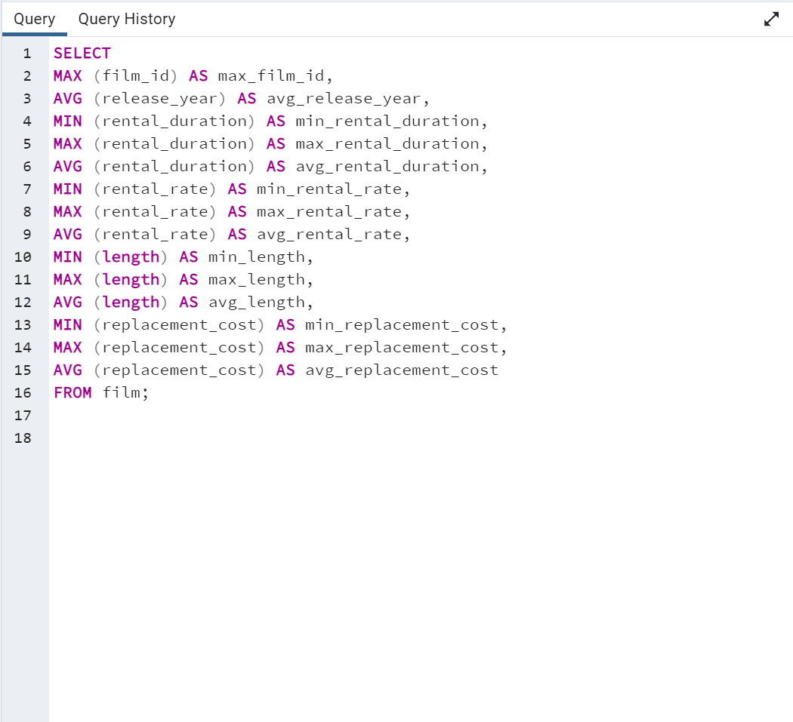

SELECT
MAX (film_id) AS max_film_id,
AVG (release_year) AS avg_release_year,
MIN (rental_duration) AS min_rental_duration,
MAX (rental_duration) AS max_rental_duration,
AVG (rental_duration) AS avg_rental_duration,
MIN (rental_rate) AS min_rental_rate,
MAX (rental_rate) AS max_rental_rate,
AVG (rental_rate) AS avg_rental_rate,
MIN (length) AS min_length,
MAX (length) AS max_length,
AVG (length) AS avg_lenght,
MIN (replacement_cost) AS min_replacement_cost,
MAX (replacement_cost) AS max_replacement_cost,
AVG (replacement_cost) AS avg_replacement_cost
FROM film;

Films Revenue Gain
Data Output
film_name | total_revenue
Telegraph Voyage | 215.75
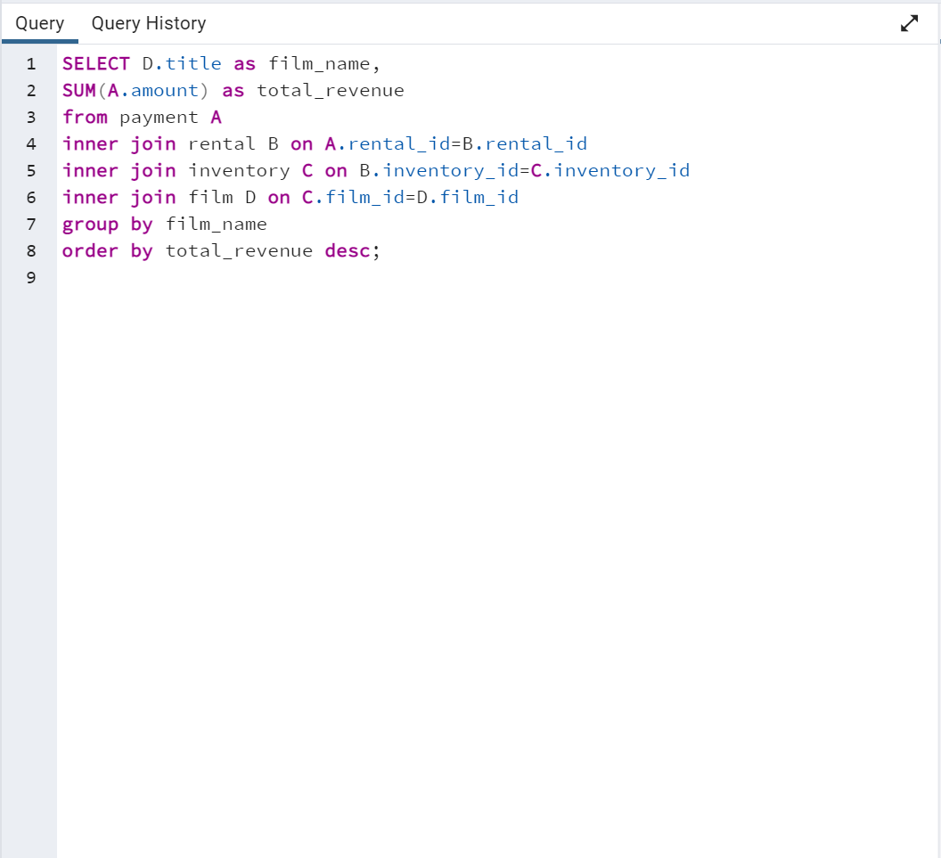
Zorro Ark | 199.72
Wife Turn | 198.73
Innocent Usual | 191.74
Hustler Party | 190.78
Saturday Lambs | 190.74
Titans Jerk | 186.73
Harry Idaho | 177.73
Torque Bound | 169.76
Dogma Family | 168.72
Pelican Comforts | 165.77
Goodfellas Salute | 164.75
Fool Mockingbird | 162.79
Apache Divine | 160.72
Enemy Odds | 159.75
Cat Coneheads | 159.73
Scorpion Apollo | 158.79
Range Moonwalker | 158.77
Scalawag Duck | 157.71
Sunrise League | 155.78
Lola Agent | 154.77
Maiden Home | 152.78
Velvet Terminator | 152.77
Closer Bang | 152.76
Bucket Brotherhood | 150.72
Sting Personal | 149.8
Titanic Boondock | 149.78
Massacre Usual | 149.75
Nightmare Chill | 148.79
Videotape Arsenic | 148.76
American Circus | 146.81
Witches Panic | 146.75
Show Lord | 145.78
Minds Truman | 144.81
Working Microcosmos | 144.78
SELECT D.title as film_name,
SUM(A.amount) as total_revenue
from payment A
inner join rental B on A.rental_id=B.rental_id
inner join inventory C on B.inventory_id=C.inventory_id
inner join film D on C.film_id=D.film_id
group by film_name
order by total_revenue desc;
Head Stranger | 142.79
Wonderland Christmas | 142.79
Whisperer Giant | 141.8
Forrester Comancheros | 141.74
Backlash Undefeated | 140.84
Dorado Notting | 140.78
Boogie Amelie | 140.74
Secrets Paradise | 139.82
Mine Titans | 138.83
Stagecoach Armageddon | 138.77
Pity Bound | 138.77
Roses Treasure | 137.77
Streetcar Intentions | 137.77
Fellowship Autumn | 137.76
Steel Santa | 136.78
Confidential Interview | 136.76
Trip Newton | 135.74
Flintstones Happiness | 134.83
Garden Island | 134.82
Suit Walls | 134.81
Eagles Panky | 134.81
Flamingos Connecticut | 134.78
Attraction Newton | 133.78
Trading Pinocchio | 133.77
Easy Gladiator | 132.8
Heartbreakers Bright | 132.8
Durham Panky | 132.76
Moonshine Cabin | 131.8
Drifter Commandments | 131.78
Name Detective | 131.78
Aladdin Calendar | 131.77
Coneheads Smoochy | 131.76
Lies Treatment | 131.76
Midsummer Groundhog | 129.82
Details Packer | 128.82
Queen Luke | 128.79
Tourist Pelican | 126.81
Sabrina Midnight | 126.79
Liaisons Sweet | 126.79
Kiss Glory | 126.79
Seattle Expecations | 125.8
Beauty Grease | 125.79
Movie Shakespeare | 125.78
Gleaming Jawbreaker | 125.72
Chance Resurrection | 124.76
Calendar Gunfight | 123.82
Heavyweights Beast | 123.78
Satisfaction Confidential | 122.84
Yentl Idaho | 122.79
Coma Head | 122.77
Center Dinosaur | 121.79
Sleeping Suspects | 121.78
Princess Giant | 121.77
Pulp Beverly | 121.74
Kissing Dolls | 120.83
Dawn Pond | 120.83
Something Duck | 120.82
Trap Guys | 119.85
Pinocchio Simon | 119.82
Rage Games | 119.81
Bingo Talented | 119.75
Doors President | 118.82
Desert Poseidon | 118.81
Maltese Hope | 118.79
Suspects Quills | 118.73
Fidelity Devil | 117.82
Snatch Slipper | 117.8
High Encino | 117.79
Waterfront Deliverance | 116.84
Metropolis Coma | 116.76
Network Peak | 116.73
Road Roxanne | 115.83
Hunchback Impossible | 115.83
Beverly Outlaw | 115.79
Freddy Storm | 115.79
Conversation Downhill | 114.83
Cause Date | 114.81
Whale Bikini | 113.85
Lady Stage | 113.84
Redemption Comforts | 113.8
Strictly Scarface | 113.77
Secretary Rouge | 112.82
Agent Truman | 111.81
Candles Grapes | 111.8
Money Harold | 111.8
Mission Zoolander | 110.84
Interview Liaisons | 110.82
Prejudice Oleander | 110.81
Ridgemont Submarine | 110.72
Teen Apollo | 109.86
Shawshank Bubble | 109.81
Arachnophobia Rollercoaster | 109.77
Horn Working | 109.77
Butterfly Chocolat | 108.74
Command Darling | 107.84
Ghost Groundhog | 107.81
Philadelphia Wife | 107.8
Scarface Bang | 106.84
Brooklyn Desert | 106.81
Falcon Volume | 106.81
Spice Sorority | 106.81
Virtual Spoilers | 105.87
Galaxy Sweethearts | 105.84
League Hellfighters | 105.83
Requiem Tycoon | 105.82
Chasing Fight | 105.82
Driving Polish | 105.81
Secret Groundhog | 105.81
Reign Gentlemen | 105.81
Clueless Bucket | 105.77
Strangers Graffiti | 104.86
Breakfast Goldfinger | 104.84
Jerk Paycheck | 104.81
Wash Heavenly | 104.8
Truman Crazy | 104.8
Arizona Bang | 104.79
Hanky October | 104.77
Tycoon Gathering | 103.88
Million Ace | 103.83
Sleepless Monsoon | 103.83
Open African | 103.81
Angels Life | 103.8
Cupboard Sinners | 103.78
Greatest North | 103.73
Birds Perdition | 102.83
Undefeated Dalmations | 102.81
South Wait | 102.79
Forward Temple | 102.74
Timberland Sky | 102.74
Paycheck Wait | 101.84
Attacks Hate | 101.84
Expecations Natural | 101.83
Sweden Shining | 101.83
Tomorrow Hustler | 101.76
Samurai Lion | 101.76
Poseidon Forever | 100.83
Invasion Cyclone | 100.74
Giant Troopers | 100.74
Confused Candles | 99.84
Stepmom Dream | 99.81
Knock Warlock | 99.79
English Bulworth | 99.74
Hall Cassidy | 98.84
Egg Igby | 98.81
Brotherhood Blanket | 98.77
Thief Pelican | 97.84
Jason Trap | 97.77
Rocketeer Mother | 97.72
Grit Clockwork | 97.72
Shock Cabin | 96.71
Jericho Mulan | 95.84
Inch Jet | 95.82
Salute Apollo | 95.8
Gangs Pride | 95.78
Hyde Doctor | 95.76
Bilko Anonymous | 94.88
Gold River | 94.86
Mermaid Insects | 94.85
French Holiday | 94.84
Gorgeous Bingo | 94.83
Peak Forever | 94.82
Patton Interview | 94.79
Fargo Gandhi | 94.79
Fish Opus | 94.78
Expendable Stallion | 94.74
Spy Mile | 94.73
Day Unfaithful | 93.88
Pickup Driving | 93.85
Sugar Wonka | 93.85
Bear Graceland | 93.81
Camelot Vacation | 93.76
Sweethearts Suspects | 93.73
West Lion | 92.86
Hanging Deep | 92.85
Core Suit | 92.84
Jet Neighbors | 92.83
Hellfighters Sierra | 92.81
Fatal Haunted | 92.77
Silverado Goldfinger | 91.88
Destiny Saturday | 91.85
Balloon Homeward | 91.78
Dude Blindness | 90.87
Wizard Coldblooded | 90.85
Ice Crossing | 90.78
Pure Runner | 89.85
Coldblooded Darling | 89.84
Igby Maker | 89.83
Vacation Boondock | 89.81
Rocky War | 88.87
Memento Zoolander | 88.87
Candidate Perdition | 88.82
Metal Armageddon | 88.79
Idols Snatchers | 88.76
Telemark Heartbreakers | 88.76
Behavior Runaway | 87.89
Flash Wars | 87.88
Bright Encounters | 87.88
Hysterical Grail | 87.85
Darn Forrester | 87.83
Basic Easy | 87.8
Color Philadelphia | 87.78
Oz Liaisons | 87.78
Panky Submarine | 86.88
Airport Pollock | 86.85
Slacker Liaisons | 86.84
Virgin Daisy | 86.84
Seabiscuit Punk | 86.76
Muscle Bright | 86.73
Juggler Hardly | 86.71
Daisy Menagerie | 85.86
Steers Armageddon | 85.85
Robbers Joon | 85.74
Conquerer Nuts | 84.87
Chicago North | 84.85
Sea Virgin | 84.81
Alien Center | 84.8
Barbarella Streetcar | 84.78
Married Go | 84.74
Pittsburgh Hunchback | 83.89
Panther Reds | 83.86
Loser Hustler | 83.86
Sagebrush Clueless | 83.86
Dying Maker | 83.85
Forrest Sons | 83.83
Star Operation | 83.8
Affair Prejudice | 83.79
Oscar Gold | 83.75
Musketeers Wait | 82.85
Airplane Sierra | 82.85
Holiday Games | 82.85
Casablanca Super | 82.84
Hurricane Affair | 82.77
Paths Control | 81.9
Hanover Galaxy | 81.86
Campus Remember | 81.83
Rush Goodfellas | 81.72
Peach Innocent | 80.86
Dragonfly Strangers | 80.86
Human Graffiti | 80.85
Orient Closer | 80.83
Vanishing Rocky | 80.83
Wardrobe Phantom | 80.77
Operation Operation | 80.75
Edge Kissing | 79.87
Betrayed Rear | 79.87
Bikini Borrowers | 79.86
Carol Texas | 79.83
Paradise Sabrina | 79.82
Strangelove Desire | 79.78
None Spiking | 79.75
Super Wyoming | 78.88
Rules Human | 78.87
Submarine Bed | 78.87
Devil Desire | 78.86
Groundhog Uncut | 78.86
Jekyll Frogmen | 78.84
Intentions Empire | 78.83
Murder Antitrust | 78.79
Blackout Private | 78.77
Deer Virginian | 78.76
Tracy Cider | 78.76
Contact Anonymous | 78.76
Raging Airplane | 77.88
Creepers Kane | 77.87
Quills Bull | 77.87
Northwest Polish | 77.82
Flying Hook | 77.81
Harper Dying | 77.8
Quest Mussolini | 77.8
Disturbing Scarface | 77.77
Clash Freddy | 77.77
Horror Reign | 77.75
Lose Inch | 77.74
Model Fish | 76.87
Tuxedo Mile | 76.87
Grinch Massage | 76.86
Image Princess | 76.86
Lawless Vision | 76.86
Wanda Chamber | 76.86
Baked Cleopatra | 76.85
Sleepy Japanese | 76.83
National Story | 76.83
Unbreakable Karate | 76.81
Shakespeare Saddle | 76.8
Badman Dawn | 76.79
Island Exorcist | 76.77
Connecticut Tramp | 75.89
Moonwalker Fool | 75.89
Deep Crusade | 75.87
Searchers Wait | 75.86
Holes Brannigan | 75.86
Sons Interview | 75.85
Trojan Tomorrow | 75.82
Blues Instinct | 75.82
Atlantis Cause | 75.79
Malkovich Pet | 75.77
Autumn Crow | 74.9
Birch Antitrust | 74.89
Impossible Prejudice | 74.86
Lust Lock | 74.82
Flatliners Killer | 74.81
Crossroads Casualties | 74.8
Escape Metropolis | 74.77
Frost Head | 74.72
Thin Sagebrush | 73.89
California Birds | 73.89
Pluto Oleander | 73.87
Outlaw Hanky | 73.86
Words Hunter | 73.86
Wait Cider | 73.82
Fantasia Park | 73.81
Dream Pickup | 73.8
Half Outfield | 73.79
Darko Dorado | 72.9
Hope Tootsie | 72.83
Berets Agent | 72.8
Downhill Enough | 72.79
Cincinatti Whisperer | 71.89
Alabama Devil | 71.88
Blindness Gun | 71.87
Jacket Frisco | 71.84
Weekend Personal | 71.83
Wedding Apollo | 71.79
Jeepers Wedding | 70.87
Confessions Maguire | 70.87
Saturn Name | 70.87
Ferris Mother | 70.85
Remember Diary | 70.83
Trouble Date | 70.81
Others Soup | 70.8
Gentlemen Stage | 70.8
Amistad Midsummer | 70.79
Mallrats United | 70.78
Ties Hunger | 69.91
Daughter Madigan | 69.91
Beast Hunchback | 69.9
Vampire Whale | 69.89
Comforts Rush | 69.85
Instinct Airport | 69.83
Werewolf Lola | 68.88
Flight Lies | 68.88
Idaho Love | 68.85
Eyes Driving | 68.84
Bringing Hysterical | 68.81
Hobbit Alien | 68.74
Amelie Hellfighters | 67.9
Liberty Magnificent | 67.89
Dinosaur Secretary | 67.81
Jumping Wrath | 67.79
Goldfinger Sensibility | 67.79
Graffiti Love | 67.74
Rugrats Shakespeare | 67.72
Caribbean Liberty | 66.92
Twisted Pirates | 66.89
Past Suicides | 66.88
Dangerous Uptown | 66.88
Home Pity | 66.88
Boiled Dares | 66.87
Charade Duffel | 66.87
Worst Banger | 66.85
Zoolander Fiction | 66.85
Egypt Tenenbaums | 66.84
Wonka Sea | 66.82
Pollock Deliverance | 66.82
Stranger Strangers | 65.9
Chamber Italian | 65.88
Usual Untouchables | 65.88
War Notting | 65.88
Lonely Elephant | 65.87
Chariots Conspiracy | 65.81
House Dynamite | 65.8
Snowman Rollercoaster | 65.79
Madness Attacks | 65.77
Fiddler Lost | 64.9
Elephant Trojan | 64.9
Gunfighter Mussolini | 64.89
Madison Trap | 64.87
Divine Resurrection | 64.85
Swarm Gold | 64.77
Daddy Pittsburgh | 63.89
Anthem Luke | 63.89
Mother Oleander | 63.87
Bill Others | 63.82
Champion Flatliners | 62.9
Games Bowfinger | 62.88
Lovely Jingle | 62.87
Potter Connecticut | 62.85
Gaslight Crusade | 62.84
Driver Annie | 62.84
Reap Unfaithful | 62.84
Neighbors Charade | 62.83
Lebowski Soldiers | 62.82
Wrong Behavior | 62.8
Detective Vision | 62.76
Loathing Legally | 62.74
Casualties Encino | 61.92
Wyoming Storm | 61.89
Insider Arizona | 61.83
Alone Trip | 61.83
Pond Seattle | 61.82
Excitement Eve | 61.8
Divide Monster | 61.8
Orange Grapes | 61.78
Spartacus Cheaper | 60.91
Opus Ice | 60.9
Noon Papi | 60.85
Earring Instinct | 60.83
Sinners Atlantis | 60.81
Dynamite Tarzan | 60.77
Family Sweet | 60.73
King Evolution | 59.92
Jingle Sagebrush | 59.89
Born Spinal | 59.88
Jaws Harry | 59.87
Manchurian Curtain | 59.86
Nemo Campus | 59.86
Artist Coldblooded | 59.86
Honey Ties | 59.84
Barefoot Manchurian | 59.83
Clones Pinocchio | 59.83
Homicide Peach | 59.82
Smile Earring | 58.9
Sweet Brotherhood | 58.89
Nash Chocolat | 58.87
Fury Murder | 58.83
Doom Dancing | 58.83
Chicken Hellfighters | 58.81
Fiction Christmas | 58.81
Packer Madigan | 58.8
Hills Neighbors | 58.79
Lambs Cincinatti | 57.9
Temple Attraction | 57.9
October Submarine | 57.9
Sierra Divide | 57.85
Fireball Philadelphia | 57.81
Brannigan Sunrise | 56.91
Element Freddy | 56.9
Meet Chocolate | 56.89
Massage Image | 56.89
Fugitive Maguire | 56.89
Bowfinger Gables | 56.89
Opposite Necklace | 56.89
Turn Star | 56.88
Identity Lover | 56.88
Creatures Shakespeare | 56.84
Boulevard Mob | 56.84
Cider Desire | 56.83
River Outlaw | 56.82
Double Wrath | 56.79
Grapes Fury | 56.77
State Wasteland | 55.89
Beach Heartbreakers | 55.86
Analyze Hoosiers | 55.86
Mummy Creatures | 55.85
Greek Everyone | 55.83
Straight Hours | 55.81
Magnificent Chitty | 54.92
Lover Truman | 54.91
Ali Forever | 54.91
Monsoon Cause | 54.91
Racer Egg | 54.83
Outfield Massacre | 54.82
Dalmations Sweden | 54.82
Tights Dawn | 54.76
Bird Independence | 53.91
Nuts Ties | 53.91
Frisco Forrest | 53.91
Circus Youth | 53.86
Jade Bunch | 53.85
Perfect Groove | 53.84
Fight Jawbreaker | 53.8
Mockingbird Hollywood | 53.78
Ace Goldfinger | 52.93
Guys Falcon | 52.92
Vanilla Day | 52.91
Doubtfire Labyrinth | 52.91
Right Cranes | 52.9
Sensibility Rear | 52.9
Purple Movie | 52.88
Shane Darkness | 52.87
Patriot Roman | 52.85
Willow Tracy | 52.85
Gilmore Boiled | 52.76
Panic Club | 51.93
North Tequila | 51.91
Pilot Hoosiers | 51.86
Rouge Squad | 51.84
Moulin Wake | 51.84
Enough Raging | 51.84
Anaconda Confessions | 51.82
Karate Moon | 51.8
Chisum Behavior | 50.9
Lost Bird | 50.9
Iron Moon | 50.9
Window Side | 50.89
Reunion Witches | 50.82
Annie Identity | 50.81
Sun Confessions | 50.77
Handicap Boondock | 50.76
Bound Cheaper | 50.76
Valley Packer | 49.88
Exorcist Sting | 49.88
Mask Peach | 49.86
Heaven Freedom | 49.85
Novocaine Flight | 49.82
Chocolat Harry | 49.81
Dancing Fever | 49.76
Park Citizen | 48.94
Gosford Donnie | 48.92
Madigan Dorado | 48.92
Mod Secretary | 48.91
Rider Caddyshack | 48.89
Monster Spartacus | 48.86
Varsity Trip | 48.84
Kick Savannah | 48.83
Rock Instinct | 48.83
Sleuth Orient | 48.81
Slums Duck | 48.78
Sense Greek | 47.93
Reds Pocus | 47.92
Kramer Chocolate | 47.91
African Egg | 47.89
Dirty Ace | 47.87
Madre Gables | 47.87
Worker Tarzan | 47.86
Gables Metropolis | 47.83
Haunting Pianist | 47.8
Virginian Pluto | 47.75
Grosse Wonderful | 46.92
Wonderful Drop | 46.92
Trainspotting Strangers | 46.91
Stage World | 46.9
Alley Evolution | 46.87
Town Ark | 46.87
Shrunk Divine | 46.87
Troopers Metal | 46.86
Caddyshack Jedi | 46.86
Indian Love | 46.85
Newton Labyrinth | 46.84
Gunfight Moon | 46.79
Clerks Angels | 45.94
Casper Dragonfly | 45.93
Bugsy Song | 45.91
Lolita World | 45.91
Darkness War | 45.88
Uprising Uptown | 45.87
Pirates Roxanne | 45.81
Crusade Honey | 44.93
Speed Suit | 44.92
Darling Breaking | 44.92
Ship Wonderland | 44.86
Hours Rage | 44.82
Anything Savannah | 43.92
Drop Waterfront | 43.92
Potluck Mixed | 43.9
Microcosmos Paradise | 43.88
Personal Ladybugs | 43.87
Cyclone Family | 43.87
Freaky Pocus | 43.86
Shanghai Tycoon | 43.86
United Pilot | 43.85
Go Purple | 43.83
Pacific Amistad | 43.81
Goldmine Tycoon | 43.76
Ishtar Rocketeer | 42.94
Run Pacific | 42.91
Wars Pluto | 42.9
Modern Dorado | 42.88
Express Lonely | 42.88
Scissorhands Slums | 42.88
Graduate Lord | 42.87
Entrapment Satisfaction | 42.87
Uncut Suicides | 42.87
Stock Glass | 42.87
Lock Rear | 42.86
Kwai Homeward | 42.8
Voyage Legally | 42.75
Storm Happiness | 42.74
Punk Divorce | 41.93
Hoosiers Birdcage | 41.92
Miracle Virtual | 41.92
Hotel Happiness | 41.92
Breaking Home | 41.9
Speakeasy Date | 41.89
Party Knock | 41.88
Date Speed | 41.88
Labyrinth League | 41.87
Armageddon Lost | 41.8
Eve Resurrection | 40.93
Clue Grail | 40.93
Baby Hall | 40.93
Platoon Instinct | 40.92
Matrix Snowman | 40.92
Grail Frankenstein | 40.92
Tarzan Videotape | 40.92
Frida Slipper | 40.9
Forever Candidate | 40.88
Wasteland Divine | 40.88
Hunting Musketeers | 40.88
Paris Weekend | 40.88
Groove Fiction | 40.83
Tramp Others | 40.82
Banger Pinocchio | 40.8
Splendor Patton | 40.79
Effect Gladiator | 40.79
Pocus Pulp | 40.75
Terminator Club | 39.94
Jersey Sassy | 39.94
Fire Wolves | 39.93
Intolerable Intentions | 39.93
Hollow Jeopardy | 39.92
Legally Secretary | 39.92
Rollercoaster Bringing | 39.91
Lord Arizona | 39.9
Hamlet Wisdom | 39.88
Spinal Rocky | 39.87
Pajama Jawbreaker | 39.86
Cabin Flash | 39.86
Disciple Mother | 39.82
Mourning Purple | 39.81
Italian African | 38.94
Records Zorro | 38.93
Spiking Element | 38.88
Midnight Westward | 38.84
Club Graffiti | 38.82
Encounters Curtain | 38.82
Women Dorado | 38.81
Crooked Frogmen | 38.79
Pianist Outfield | 38.78
Graceland Dynamite | 37.94
Godfather Diary | 37.92
Vertigo Northwest | 37.92
Life Twisted | 37.92
Snatchers Montezuma | 37.91
Prix Undefeated | 37.9
Shrek License | 37.88
Roots Remember | 37.86
Joon Northwest | 37.84
Coast Rainbow | 37.82
Alaska Phantom | 37.77
Caper Motions | 37.77
Early Home | 36.94
Soldiers Evolution | 36.93
Elizabeth Shane | 36.93
Drumline Cyclone | 36.9
Necklace Outbreak | 36.86
Army Flintstones | 36.86
Majestic Floats | 36.85
Sundance Invasion | 36.82
Intrigue Worst | 36.81
Insects Stone | 36.81
Shootist Superfly | 36.77
Westward Seabiscuit | 36.75
Primary Glass | 36.73
Frontier Cabin | 35.94
Bubble Grosse | 35.94
School Jacket | 35.94
President Bang | 35.94
Glass Dying | 35.88
Fantasy Troopers | 35.79
Moon Bunch | 35.74
Story Side | 35.74
Elf Murder | 34.94
Magnolia Forrester | 34.89
Adaptation Holes | 34.89
Donnie Alley | 34.87
Illusion Amelie | 34.87
Taxi Kick | 34.83
Independence Hotel | 34.82
Curtain Videotape | 34.77
Earth Vision | 34.77
Carrie Bunch | 34.77
Talented Homicide | 34.76
Fever Empire | 33.95
Wagon Jaws | 33.91
Maguire Apache | 33.91
Cranes Reservoir | 33.91
Blanket Beverly | 33.9
Mile Mulan | 33.89
Splash Gump | 33.86
Watch Tracy | 33.85
Lion Uncut | 33.83
Wind Phantom | 33.79
Academy Dinosaur | 33.79
Heavenly Gun | 32.94
Tequila Past | 32.94
Bulworth Commandments | 32.93
Lucky Flying | 32.9
Stone Fire | 32.9
Maker Gables | 32.9
Saddle Antitrust | 32.89
Robbery Bright | 32.88
Summer Scarface | 32.86
Stampede Disturbing | 32.86
Volcano Texas | 32.81
Amadeus Holy | 32.8
Haunted Antitrust | 31.94
Dozen Lion | 31.94
Desperate Trainspotting | 31.94
Control Anthem | 31.94
Saints Bride | 31.92
Destination Jerk | 31.92
Feathers Metal | 31.91
Random Go | 31.91
Song Hedwig | 31.9
Hedwig Alter | 31.9
Mighty Luck | 31.9
Natural Stock | 31.88
Rings Heartbreakers | 31.87
Bonnie Holocaust | 31.85
Voice Peach | 31.83
Outbreak Divine | 31.82
Congeniality Quest | 31.81
Chainsaw Uptown | 31.81
Feud Frogmen | 31.8
Seven Swarm | 30.95
Blood Argonauts | 30.93
Jumanji Blade | 30.92
Mulan Moon | 30.89
Theory Mermaid | 30.88
Factory Dragon | 30.85
Cheaper Clyde | 30.83
Mars Roman | 30.83
Alter Victory | 30.8
Gun Bonnie | 30.79
Alamo Videotape | 30.78
Halloween Nuts | 29.92
Gone Trouble | 29.92
Reservoir Adaptation | 29.91
Wisdom Worker | 29.91
Uptown Young | 29.9
Santa Paris | 29.9
Side Ark | 29.88
Roxanne Rebel | 29.83
Blade Polish | 29.81
Chill Luck | 29.79
Cowboy Doom | 28.93
Luke Mummy | 28.93
Untouchables Sunrise | 28.93
Chitty Lock | 28.92
Dwarfs Alter | 28.92
Won Dares | 28.91
Jeopardy Encino | 28.9
Tootsie Pilot | 28.88
Dances None | 28.87
Louisiana Harry | 28.84
Celebrity Horn | 28.79
Shepherd Midsummer | 28.77
Informer Double | 27.95
Squad Fish | 27.93
Papi Necklace | 27.93
Antitrust Tomatoes | 27.93
Dolls Rage | 27.92
Mob Duffel | 27.9
Minority Kiss | 27.89
Dragon Squad | 27.89
Rear Trading | 27.85
Cleopatra Devil | 27.85
Room Roman | 27.82
Encino Elf | 27.81
Highball Potter | 27.81
Canyon Stock | 27.81
Grease Youth | 27.8
Private Drop | 26.95
Dares Pluto | 26.92
Pet Haunting | 26.92
Unfaithful Kill | 26.92
Crazy Home | 26.91
Finding Anaconda | 26.9
Evolution Alter | 26.88
Empire Malkovich | 26.81
Christmas Moonshine | 26.81
Bunch Minds | 25.95
Pizza Jumanji | 25.94
Desire Alien | 25.92
Motions Details | 25.87
Translation Summer | 25.87
Borrowers Bedazzled | 25.8
Roman Punk | 25.79
Train Bunch | 24.96
Apocalypse Flamingos | 24.95
Hunter Alter | 24.95
Traffic Hobbit | 24.95
Bed Highball | 24.94
Diary Panic | 24.92
World Leathernecks | 24.92
Oleander Clue | 24.91
Notorious Reunion | 24.87
Drums Dynamite | 24.87
Slipper Fidelity | 24.86
Resurrection Silverado | 24.81
Masked Bubble | 24.81
Deceiver Betrayed | 24.8
Wolves Desire | 24.79
Doctor Grail | 23.95
Mannequin Worst | 23.95
Cassidy Wyoming | 23.94
Chaplin License | 23.92
Clyde Theory | 23.92
Birdcage Casper | 23.91
Reef Salute | 23.89
Jungle Closer | 23.88
Homeward Cider | 23.84
Holocaust Highball | 23.84
Lesson Cleopatra | 22.94
Extraordinary Conquerer | 22.94
Happiness United | 22.94
Newsies Story | 22.93
Bang Kwai | 22.93
Shining Roses | 22.92
Savannah Town | 22.9
Everyone Craft | 22.89
Wrath Mile | 22.87
Love Suicides | 22.85
Unforgiven Zoolander | 22.84
Dracula Crystal | 22.81
Divorce Shining | 21.95
Phantom Glory | 21.94
Leathernecks Dwarfs | 21.94
Warlock Werewolf | 21.94
Killer Innocent | 21.94
Mulholland Beast | 21.93
Luck Opus | 21.93
Arabia Dogma | 21.88
Citizen Shrek | 21.87
Vietnam Smoochy | 21.86
Bull Shawshank | 21.84
Patient Sister | 21.82
Duck Racer | 20.95
Music Boondock | 20.83
Jedi Beneath | 20.82
Bride Intrigue | 20.82
Gathering Calendar | 19.9
Monterey Labyrinth | 19.89
Sorority Queen | 19.88
Hunger Roof | 19.88
Tenenbaums Command | 19.88
Odds Boogie | 19.87
Tomatoes Hellfighters | 19.86
Rushmore Mermaid | 18.94
Menagerie Rushmore | 18.94
Simon North | 18.94
Impact Aladdin | 18.92
Spoilers Hellfighters | 18.91
Spirited Casualties | 18.9
Language Cowboy | 18.9
Craft Outfield | 18.86
Polish Brooklyn | 18.85
Ladybugs Armageddon | 17.94
License Weekend | 17.94
Magic Mallrats | 17.93
Holy Tadpole | 17.92
Mystic Truman | 17.92
Gilbert Pelican | 17.91
Ending Crowds | 17.9
Anonymous Human | 17.87
Streak Ridgemont | 17.87
Hook Chariots | 17.87
Pride Alamo | 17.85
Smoking Barbarella | 17.84
Conspiracy Spirit | 16.95
Full Flatliners | 16.95
Braveheart Human | 16.95
Youth Kick | 16.94
Superfly Trip | 16.91
Beneath Rush | 16.9
Frogmen Breaking | 16.9
Beethoven Exorcist | 16.89
Mosquito Armageddon | 16.89
Loverboy Attacks | 16.89
Gandhi Kwai | 16.87
Siege Madre | 16.86
Mixed Doors | 15.96
Hardly Robbers | 15.96
Mussolini Spoilers | 15.95
Wild Apollo | 15.94
Lawrence Love | 15.87
Silence Kane | 15.85
Glory Tracy | 14.95
Vanished Garden | 14.94
Sling Luke | 14.94
Runner Madigan | 14.92
Crow Grease | 14.89
Smoochy Control | 14.88
Sassy Packer | 14.88
Bedazzled Married | 14.88
Greedy Roots | 14.87
Spirit Flintstones | 14.86
Dumbo Lust | 13.94
Watership Frontier | 13.94
Kane Exorcist | 13.88
Hollywood Anonymous | 13.87
Hawk Chill | 12.94
Legend Jedi | 12.92
Notting Speakeasy | 12.91
Victory Academy | 12.91
Valentine Vanishing | 12.9
Vision Torque | 11.94
Sunset Racer | 11.93
Soup Wisdom | 11.93
Runaway Tenenbaums | 11.93
Montezuma Command | 11.91
Clockwork Paradise | 11.9
Maude Mod | 10.93
Zhivago Core | 10.93
Jawbreaker Brooklyn | 10.91
Towers Hurricane | 10.91
Comancheros Enemy | 9.94
Ballroom Mockingbird | 9.93
Connection Microcosmos | 8.95
Harold French | 8.93
Ghostbusters Elf | 8.93
Stallion Sundance | 7.94
Japanese Run | 7.94
Lights Deer | 7.93
Treatment Jekyll | 6.94
Cruelty Unforgiven | 6.94
Rebel Airport | 6.93
Young Language | 6.93
Freedom Cleopatra | 5.95
Duffel Apocalypse | 5.94
Oklahoma Jumanji | 5.94
Texas Watch | 5.94

Total Customers
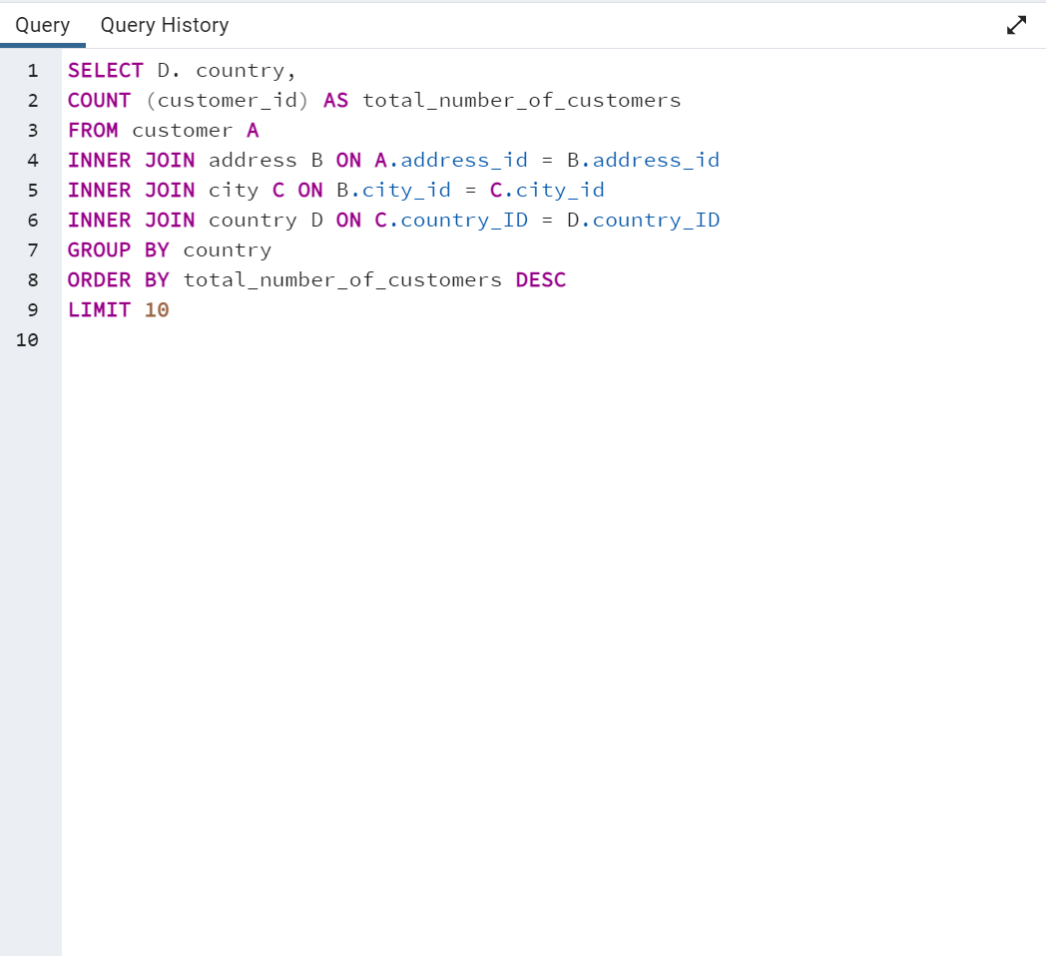
Data Output
Top 10 countries | total_number_of_customers
India | 60
China | 53
United States | 36
Japan | 31
Mexico | 30
Brazil | 28
Russian Federation | 28
Philippines | 20
Turkey | 15
Indonesia | 14

SELECT D.country,
COUNT (customer_id) AS total_number_of_customers
FROM customer A
INNER JOIN address B ON A.address_id = B.address_id
INNER JOIN city C ON B.city_id = C.city_id
INNER JOIN country D ON C.country_ID = D.country_ID
GROUP BY country
ORDER BY total_number_of_customers DESC
LIMIT 10

Countries by Revenue
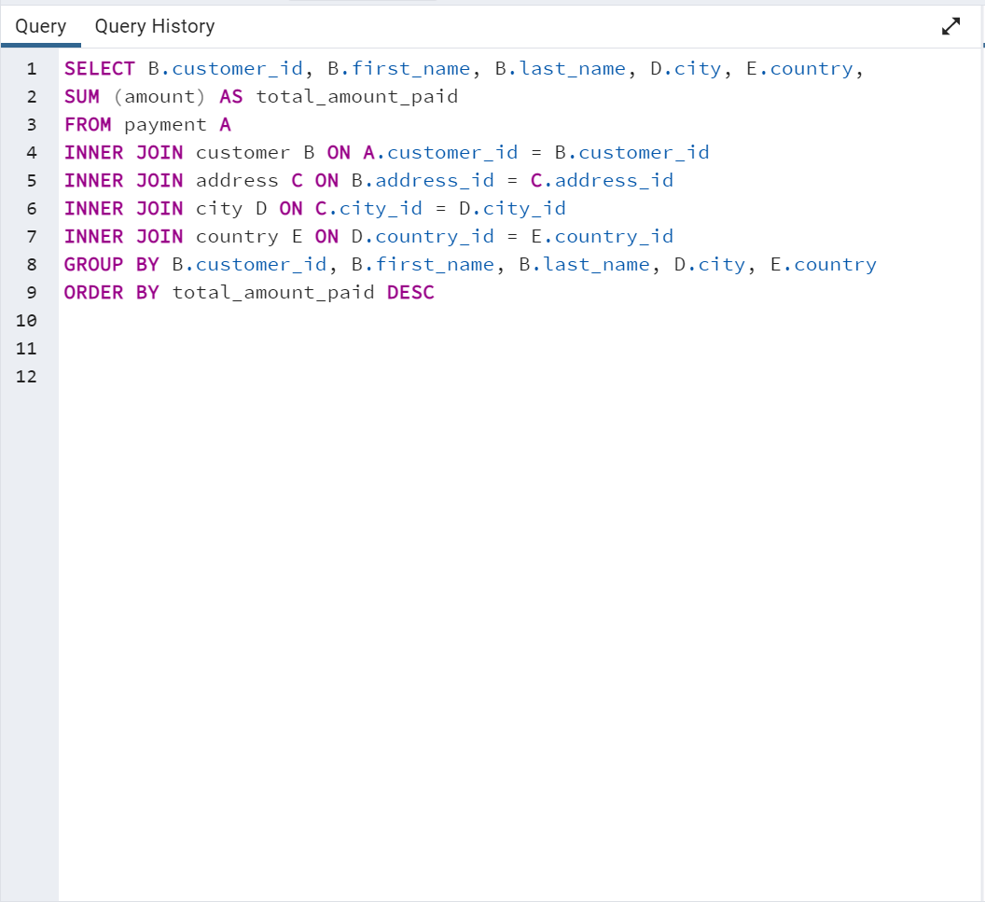
Data Output
customer_id | first_name | last_name | city | country | total_amount_paid
148 | Eleanor | Hunt | Saint-Denis | Runion | 211.55
526 | Karl | Seal | Cape Coral | United States | 208.58
178 | Marion | Snyder | Santa Brbara dOeste | Brazil | 194.61
137 | Rhonda | Kennedy | Apeldoorn | Netherlands | 191.62
144 | Clara | Shaw | Molodetno | Belarus | 189.6
459 | Tommy | Collazo | Qomsheh | Iran | 183.63
181 | Ana | Bradley | Memphis | United States | 167.67
410 | Curtis | Irby | Richmond Hill | Canada | 167.62
236 | Marcia | Dean | Tanza | Philippines | 166.61
403 | Mike | Way | Valparai | India | 162.67
522 | Arnold | Havens | Santa Rosa | Philippines | 161.68
469 | Wesley | Bull | Ourense (Orense) | Spain | 158.65
470 | Gordon | Allard | Hodeida | Yemen | 157.69
373 | Louis | Leone | Tanauan | Philippines | 156.66
259 | Lena | Jensen | Halisahar | India | 154.7
468 | Tim | Cary | Bijapur | India | 154.66
462 | Warren | Sherrod | Usolje-Sibirskoje | Russian Federation | 152.69
372 | Steve | Mackenzie | Probolinggo | Indonesia | 152.68
187 | Brittany | Riley | Sumy | Ukraine | 151.73
550 | Guy | Brownlee | Zhoushan | China | 151.69
176 | June | Carroll | Skikda | Algeria | 151.68
532 | Neil | Renner | Cam Ranh | Vietnam | 149.69
75 | Tammy | Sanders | Changhwa | Taiwan | 149.61
209 | Tonya | Chapman | Bhilwara | India | 147.71
86 | Jacqueline | Long | Songkhla | Thailand | 146.68
21 | Michelle | Clark | Tangail | Bangladesh | 146.68
26 | Jessica | Hall | Citt del Vaticano | Holy See (Vatican City State) | 146.68
211 | Stacey | Montgomery | Fuyu | China | 146.67
346 | Arthur | Simpkins | Maikop | Russian Federation | 145.7
366 | Brandon | Huey | Balikesir | Turkey | 145.64
50 | Diane | Collins | Omdurman | Sudan | 144.7
360 | Ralph | Madrigal | Arecibo | Puerto Rico | 144.68
348 | Roger | Quintanilla | Hsichuh | Taiwan | 144.66
SELECT B.customer_id, B.first_name, B.last_name, D.city, E.country,
SUM (amount) AS total_amount_paid
FROM payment A
INNER JOIN customer B ON A.customer_id = B.customer_id
INNER JOIN address C ON B.address_id = C.address_id
INNER JOIN city D ON C.city_id = D.city_id
INNER JOIN country E ON D.country_id = E.country_id
GROUP BY B.customer_id, B.first_name, B.last_name, D.city, E.country
ORDER BY total_amount_paid DESC
513 | Duane | Tubbs | Yangor | Nauru | 143.7
454 | Alex | Gresham | Uruapan | Mexico | 143.68
347 | Ryan | Salisbury | Daugavpils | Latvia | 142.7
390 | Shawn | Heaton | Nakhon Sawan | Thailand | 142.69
267 | Margie | Wade | Lengshuijiang | China | 142.67
257 | Marsha | Douglas | Beira | Mozambique | 142.66
39 | Debra | Nelson | Vila Velha | Brazil | 141.71
78 | Lori | Wood | Rae Bareli | India | 141.69
362 | Nicholas | Barfield | Belm | Brazil | 140.69
363 | Roy | Whiting | Nyeri | Kenya | 139.72
119 | Sherry | Marshall | Shubra al-Khayma | Egypt | 139.69
368 | Harry | Arce | Najafabad | Iran | 139.69
66 | Janice | Ward | Malm | Sweden | 139.67
237 | Tanya | Gilbert | Naju | South Korea | 138.69
29 | Angela | Hernandez | Shimonoseki | Japan | 138.65
87 | Wanda | Patterson | Sincelejo | Colombia | 137.72
80 | Marilyn | Ross | Ife | Nigeria | 137.7
439 | Alexander | Fennell | Bergamo | Italy | 137.67
558 | Jimmie | Eggleston | Wroclaw | Poland | 135.72
494 | Ramon | Choate | Robamba | Ecuador | 135.7
576 | Morris | Mccarter | Fengshan | Taiwan | 135.68
591 | Kent | Arsenault | Juiz de Fora | Brazil | 134.73
467 | Alvin | Deloach | Cuauhtmoc | Mexico | 134.72
479 | Zachary | Hite | Akron | United States | 134.71
120 | Sylvia | Ortiz | Dos Quebradas | Colombia | 134.7
210 | Ella | Oliver | Aden | Yemen | 134.7
204 | Rosemary | Schmidt | Usak | Turkey | 134.69
15 | Helen | Harris | Bhopal | India | 134.68
5 | Elizabeth | Brown | Nantou | Taiwan | 134.65
349 | Joe | Gilliland | Imus | Philippines | 133.72
404 | Stanley | Scroggins | Omiya | Japan | 133.71
172 | Bernice | Willis | Batman | Turkey | 133.7
197 | Sue | Peters | Changzhou | China | 133.68
265 | Jennie | Terry | Olomouc | Czech Republic | 132.72
533 | Jessie | Milam | Binzhou | China | 132.7
380 | Russell | Brinson | Tychy | Poland | 132.65
472 | Greg | Robins | Nam Dinh | Vietnam | 131.74
13 | Karen | Jackson | Osmaniye | Turkey | 131.73
46 | Catherine | Campbell | Moscow | Russian Federation | 131.69
125 | Ethel | Webb | Boksburg | South Africa | 131.69
3 | Linda | Williams | Athenai | Greece | 130.76
273 | Priscilla | Lowe | Salamanca | Mexico | 130.72
7 | Maria | Miller | Kragujevac | Yugoslavia | 130.72
502 | Brett | Cornwell | Siliguri (Shiliguri) | India | 130.7
342 | Harold | Martino | Boa Vista | Brazil | 130.68
566 | Casey | Mena | Tokat | Turkey | 130.68
112 | Rosa | Reynolds | Lancaster | United States | 129.72
560 | Jordan | Archuleta | Avellaneda | Argentina | 129.71
102 | Crystal | Ford | Ashdod | Israel | 129.7
168 | Regina | Berry | Jinchang | China | 129.68
484 | Roberto | Vu | Yinchuan | China | 128.73
103 | Gladys | Hamilton | Ilorin | Nigeria | 128.71
242 | Glenda | Frazier | Qinhuangdao | China | 128.71
84 | Sara | Perry | Atlixco | Mexico | 128.7
196 | Alma | Austin | Mannheim | Germany | 128.69
448 | Miguel | Betancourt | Erlangen | Germany | 127.73
221 | Bessie | Morrison | Syrakusa | Italy | 127.73
141 | Debbie | Reyes | Fukuyama | Japan | 127.69
520 | Mitchell | Westmoreland | Nha Trang | Vietnam | 127.69
38 | Martha | Gonzalez | Chisinau | Moldova | 127.66
200 | Jeanne | Lawson | Ashgabat | Turkmenistan | 126.74
206 | Terri | Vasquez | Blumenau | Brazil | 126.73
146 | Jamie | Rice | Sterling Heights | United States | 126.73
436 | Troy | Quigley | Vancouver | Canada | 126.73
108 | Tracy | Cole | Huixquilucan | Mexico | 126.72
114 | Grace | Ellis | Duisburg | Germany | 126.7
482 | Maurice | Crawley | Coatzacoalcos | Mexico | 125.74
426 | Bradley | Motley | Purnea (Purnia) | India | 125.74
295 | Daisy | Bates | Kolpino | Russian Federation | 125.72
147 | Joanne | Robertson | Urawa | Japan | 125.68
354 | Justin | Ngo | Santo Andr | Brazil | 125.67
45 | Janet | Phillips | Antofagasta | Chile | 124.74
89 | Julia | Flores | La Plata | Argentina | 124.71
198 | Elsie | Kelley | Ikerre | Nigeria | 124.68
129 | Carrie | Porter | Liaocheng | China | 124.66
300 | John | Farnsworth | Parbhani | India | 123.74
2 | Patricia | Johnson | San Bernardino | United States | 123.74
506 | Leslie | Seward | Pontianak | Indonesia | 123.72
371 | Billy | Poulin | Cabuyao | Philippines | 123.71
27 | Shirley | Allen | Davao | Philippines | 123.7
51 | Alice | Stewart | Fontana | United States | 123.7
30 | Melissa | King | Lungtan | Taiwan | 123.66
92 | Tina | Simmons | Goinia | Brazil | 122.74
434 | Eddie | Tomlin | Ozamis | Philippines | 122.74
535 | Javier | Elrod | NDjamna | Chad | 122.72
163 | Cathy | Spencer | Kakamigahara | Japan | 122.71
244 | Viola | Hanson | Lapu-Lapu | Philippines | 122.7
473 | Jorge | Olivares | Lhokseumawe | Indonesia | 122.69
508 | Milton | Howland | Vijayawada | India | 121.77
497 | Gilbert | Sledge | York | United Kingdom | 121.73
166 | Lynn | Payne | Lilongwe | Malawi | 121.73
438 | Barry | Lovelace | Kitwe | Zambia | 121.7
451 | Jim | Rea | El Fuerte | Mexico | 121.7
406 | Nathan | Runyon | Charlotte Amalie | Virgin Islands, U.S. | 121.69
491 | Rick | Mattox | Mit Ghamr | Egypt | 120.75
179 | Dana | Hart | Kirovo-Tepetsk | Russian Federation | 120.74
423 | Alfred | Casillas | Sawhaj | Egypt | 120.74
499 | Marc | Outlaw | Brindisi | Italy | 120.71
122 | Thelma | Murray | Lima | Peru | 120.7
59 | Cheryl | Murphy | Mysore | India | 119.76
389 | Alan | Kahn | Emeishan | China | 119.75
487 | Hector | Poindexter | Pjatigorsk | Russian Federation | 119.74
207 | Gertrude | Castillo | Nuuk | Greenland | 119.72
306 | Charles | Kowalski | Sungai Petani | Malaysia | 119.72
82 | Kathryn | Coleman | Simferopol | Ukraine | 118.76
41 | Stephanie | Mitchell | Yerevan | Armenia | 118.75
589 | Tracy | Herrmann | Loja | Ecuador | 118.75
565 | Jaime | Nettles | Hunuco | Peru | 118.73
35 | Virginia | Green | Toulouse | France | 118.7
128 | Marjorie | Tucker | Jastrzebie-Zdrj | Poland | 118.7
230 | Joy | George | Botosani | Romania | 118.69
285 | Miriam | Mckinney | Otsu | Japan | 117.77
583 | Marshall | Thorn | Southampton | United Kingdom | 117.77
585 | Perry | Swafford | Quilmes | Argentina | 117.76
421 | Lee | Hawks | Pudukkottai | India | 117.75
504 | Nathaniel | Adam | Joliet | United States | 117.75
573 | Byron | Box | Zhezqazghan | Kazakstan | 117.72
49 | Joyce | Edwards | Jedda | Saudi Arabia | 116.76
149 | Valerie | Black | Brockton | United States | 116.75
253 | Terry | Carlson | Miyakonojo | Japan | 116.74
274 | Naomi | Jennings | Karnal | India | 116.73
263 | Hilda | Hopkins | Mandaluyong | Philippines | 116.73
71 | Kathy | James | Baybay | Philippines | 116.72
356 | Gerald | Fultz | Satna | India | 116.71
56 | Gloria | Cook | Papeete | French Polynesia | 115.74
512 | Cecil | Vines | London | United Kingdom | 115.74
529 | Erik | Guillen | Bhimavaram | India | 115.72
393 | Philip | Causey | Korolev | Russian Federation | 115.71
158 | Veronica | Stone | Greensboro | United States | 115.7
279 | Dianne | Shelton | Tabriz | Iran | 114.76
54 | Teresa | Rogers | Iwakuni | Japan | 114.74
584 | Salvador | Teel | Banjul | Gambia | 114.73
262 | Patsy | Davidson | Portoviejo | Ecuador | 114.73
388 | Craig | Morrell | Cavite | Philippines | 114.72
107 | Florence | Woods | Merlo | Argentina | 114.72
1 | Mary | Smith | Sasebo | Japan | 114.7
433 | Don | Bone | Naala-Porto | Mozambique | 113.77
309 | Christopher | Greco | Brescia | Italy | 113.75
302 | Michael | Silverman | Tiefa | China | 113.74
266 | Nora | Herrera | Salzburg | Austria | 113.74
569 | Dave | Gardiner | Leshan | China | 113.73
139 | Amber | Dixon | Touliu | Taiwan | 113.73
416 | Jeffery | Pinson | Dadu | Pakistan | 113.72
314 | George | Linton | Sorocaba | Brazil | 113.71
260 | Christy | Vargas | Datong | China | 113.7
540 | Tyrone | Asher | Ruse | Bulgaria | 112.76
582 | Andy | Vanhorn | Huejutla de Reyes | Mexico | 112.76
63 | Ashley | Richardson | Lincoln | United States | 112.75
32 | Amy | Lopez | Jhansi | India | 112.74
131 | Monica | Hicks | Mukateve | Ukraine | 112.73
485 | Clyde | Tobias | Shaoguan | China | 112.72
453 | Calvin | Martel | Maracabo | Venezuela | 111.77
225 | Arlene | Harvey | Ambattur | India | 111.76
337 | Jerry | Jordon | Onomichi | Japan | 111.76
577 | Clifton | Malcolm | Tanshui | Taiwan | 111.74
113 | Cindy | Fisher | Cuman | Venezuela | 111.73
579 | Daryl | Larue | Mosul | Iraq | 111.73
173 | Audrey | Ray | Graz | Austria | 111.73
592 | Terrance | Roush | Szkesfehrvr | Hungary | 111.71
186 | Holly | Fox | Haldia | India | 111.71
42 | Carolyn | Perez | Pak Kret | Thailand | 111.71
531 | Jamie | Waugh | Kuwana | Japan | 110.77
495 | Charlie | Bess | Baiyin | China | 110.76
258 | Myrtle | Fleming | Santiago de los Caballeros | Dominican Republic | 110.76
515 | Andre | Rapp | Coquimbo | Chile | 110.74
154 | Michele | Grant | Yuncheng | China | 110.73
213 | Gina | Williamson | Taizz | Yemen | 110.73
90 | Ruby | Washington | Meixian | China | 110.72
559 | Everett | Banda | Bilbays | Egypt | 110.72
595 | Terrence | Gunderson | Jinzhou | China | 110.71
241 | Heidi | Larson | Xiangfan | China | 110.68
536 | Fernando | Churchill | Tonghae | South Korea | 109.77
170 | Beatrice | Arnold | Udaipur | India | 109.77
575 | Isaac | Oglesby | Cuernavaca | Mexico | 109.76
16 | Sandra | Martin | Southend-on-Sea | United Kingdom | 109.75
220 | Charlene | Alvarez | Zanzibar | Tanzania | 109.75
447 | Clifford | Bowens | Nabereznyje Telny | Russian Federation | 109.73
376 | Randy | Gaither | Kurgan | Russian Federation | 109.73
538 | Ted | Breaux | Baicheng | China | 109.73
446 | Theodore | Culp | Uluberia | India | 109.72
481 | Herman | Devore | Mwanza | Tanzania | 109.72
386 | Todd | Tan | Kamjanets-Podilskyi | Ukraine | 109.72
424 | Kyle | Spurlock | Shanwei | China | 109.71
284 | Sonia | Gregory | Benin City | Nigeria | 108.78
594 | Eduardo | Hiatt | Jining | China | 108.77
590 | Seth | Hannon | al-Manama | Bahrain | 108.76
277 | Olga | Jimenez | Ogbomosho | Nigeria | 108.76
334 | Raymond | Mcwhorter | Sumqayit | Azerbaijan | 108.75
518 | Gabriel | Harder | Sivas | Turkey | 108.75
574 | Julian | Vest | Akishima | Japan | 108.73
239 | Minnie | Romero | Ciomas | Indonesia | 108.72
167 | Sally | Pierce | Chandrapur | India | 108.71
293 | Mae | Fletcher | Donostia-San Sebastin | Spain | 107.79
571 | Johnnie | Chisholm | Plock | Poland | 107.78
427 | Jesus | Mccartney | Guaruj | Brazil | 107.77
332 | Stephen | Qualls | Dhaka | Bangladesh | 107.74
588 | Marion | Ocampo | Weifang | China | 107.73
145 | Lucille | Holmes | Soshanguve | South Africa | 107.73
441 | Mario | Cheatham | Batna | Algeria | 107.73
157 | Darlene | Rose | Pyongyang | North Korea | 107.71
254 | Maxine | Silva | Poos de Caldas | Brazil | 107.7
418 | Jeff | East | San Felipe de Puerto Plata | Dominican Republic | 107.7
91 | Lois | Butler | Bandar Seri Begawan | Brunei | 107.66
477 | Dan | Paine | Stockport | United Kingdom | 106.79
343 | Douglas | Graf | Mexicali | Mexico | 106.77
240 | Marlene | Welch | Iwaki | Japan | 106.77
155 | Gail | Knight | Bern | Switzerland | 106.76
234 | Claudia | Fuller | Jalib al-Shuyukh | Kuwait | 106.75
116 | Victoria | Gibson | Pemalang | Indonesia | 106.74
471 | Dean | Sauer | Johannesburg | South Africa | 106.74
23 | Sarah | Lewis | Liepaja | Latvia | 106.73
457 | Bill | Gavin | Rockford | United States | 106.73
160 | Erin | Dunn | Ljubertsy | Russian Federation | 106.73
52 | Julie | Sanchez | A Corua (La Corua) | Spain | 106.72
138 | Hazel | Warren | Hohhot | China | 106.68
127 | Elaine | Stevens | Smolensk | Russian Federation | 105.78
490 | Sam | Mcduffie | Sogamoso | Colombia | 105.78
331 | Eric | Robert | Santa F | Argentina | 105.78
294 | Shelly | Watts | Dayton | United States | 105.77
193 | Katie | Elliott | Kisumu | Kenya | 105.77
400 | Bryan | Hardison | Dallas | United States | 105.76
58 | Jean | Bell | Kuching | Malaysia | 105.76
396 | Earl | Shanks | Iwatsuki | Japan | 105.74
40 | Amanda | Carter | Nador | Morocco | 105.74
96 | Diana | Alexander | Augusta-Richmond County | United States | 105.73
444 | Marcus | Hidalgo | Tartu | Estonia | 105.72
28 | Cynthia | Young | Munger (Monghyr) | India | 105.7
345 | Carl | Artis | San Lorenzo | Paraguay | 104.79
493 | Brent | Harkins | Sultanbeyli | Turkey | 104.78
289 | Violet | Rodriquez | Kowloon and New Kowloon | Hong Kong | 104.76
121 | Josephine | Gomez | Etawah | India | 104.75
171 | Dolores | Wagner | Ipoh | Malaysia | 104.75
407 | Dale | Ratcliff | Rustenburg | South Africa | 104.74
31 | Brenda | Wright | Kamarhati | India | 104.74
25 | Deborah | Walker | Shikarpur | Pakistan | 104.73
397 | Jimmy | Schrader | Atinsk | Russian Federation | 104.72
442 | Leroy | Bustamante | Tongliao | China | 104.71
341 | Peter | Menard | Ede | Netherlands | 103.78
280 | Tracey | Barrett | Owo | Nigeria | 103.77
296 | Ramona | Hale | Patiala | India | 103.77
214 | Kristin | Johnston | Sunnyvale | United States | 103.74
245 | Courtney | Day | Uijongbu | South Korea | 103.74
202 | Carla | Gutierrez | Bhusawal | India | 103.74
408 | Manuel | Murrell | Jaffna | Sri Lanka | 103.73
20 | Sharon | Robinson | Mardan | Pakistan | 103.73
292 | Misty | Lambert | Sharja | United Arab Emirates | 102.78
553 | Max | Pitt | Novi Sad | Yugoslavia | 102.77
510 | Ben | Easter | Kamyin | Russian Federation | 102.77
98 | Lillian | Griffin | al-Ayn | United Arab Emirates | 102.76
587 | Sergio | Stanfield | Celaya | Mexico | 102.76
126 | Ellen | Simpson | Po | Brazil | 102.75
190 | Yolanda | Weaver | Tabora | Tanzania | 102.75
44 | Marie | Turner | Lipetsk | Russian Federation | 101.79
466 | Leo | Ebert | Dongying | China | 101.78
100 | Robin | Hayes | Jelets | Russian Federation | 101.77
593 | Rene | Mcalister | Garden Grove | United States | 101.76
405 | Leonard | Schofield | Tandil | Argentina | 101.7
486 | Glen | Talbert | Acua | Mexico | 100.77
572 | Sidney | Burleson | Czestochowa | Poland | 100.76
517 | Brad | Mccurdy | Chungho | Taiwan | 100.76
251 | Vickie | Brewer | Halle/Saale | Germany | 100.75
219 | Willie | Howell | Vicente Lpez | Argentina | 100.75
135 | Juanita | Mason | Pune | India | 100.72
519 | Ron | Deluca | Isesaki | Japan | 99.78
11 | Lisa | Anderson | Sagamihara | Japan | 99.77
57 | Evelyn | Morgan | Vaduz | Liechtenstein | 99.74
297 | Sherri | Rhodes | Ahmadnagar | India | 99.74
563 | Ken | Prewitt | Bucuresti | Romania | 99.73
503 | Angel | Barclay | Ueda | Japan | 99.72
452 | Tom | Milner | Abu Dhabi | United Arab Emirates | 99.71
381 | Bobby | Boudreau | South Hill | Anguilla | 99.68
19 | Ruth | Martinez | Kimberley | South Africa | 98.82
329 | Frank | Waggoner | Jamalpur | Bangladesh | 98.77
537 | Clinton | Buford | Aurora | United States | 98.76
175 | Annette | Olson | Allappuzha (Alleppey) | India | 98.76
374 | Jeremy | Hurtado | Vitria de Santo Anto | Brazil | 98.75
264 | Gwendolyn | May | Higashiosaka | Japan | 98.75
425 | Francis | Sikes | San Juan Bautista Tuxtepec | Mexico | 98.75
580 | Ross | Grey | Iligan | Philippines | 98.74
65 | Rose | Howard | Cayenne | French Guiana | 97.8
367 | Adam | Gooch | Adoni | India | 97.8
460 | Leon | Bostic | Florencia | Colombia | 97.79
409 | Rodney | Moeller | Deba Habe | Nigeria | 97.78
475 | Pedro | Chestnut | ostka | Ukraine | 97.78
562 | Wallace | Slone | Sokoto | Nigeria | 97.78
192 | Laurie | Lawrence | Firozabad | India | 97.78
123 | Shannon | Freeman | Varanasi (Benares) | India | 97.77
256 | Mabel | Holland | Monywa | Myanmar | 97.75
581 | Virgil | Wofford | Jos Azueta | Mexico | 97.75
268 | Nina | Soto | Palghat (Palakkad) | India | 96.79
269 | Cassandra | Walters | Salinas | United States | 96.79
379 | Carlos | Coughlin | Bhavnagar | India | 96.79
83 | Louise | Jenkins | Springs | South Africa | 96.78
352 | Albert | Crouse | Bamenda | Cameroon | 96.78
14 | Betty | White | Citrus Heights | United States | 96.77
414 | Vincent | Ralston | Allende | Mexico | 96.77
286 | Velma | Lucas | Effon-Alaiye | Nigeria | 96.76
317 | Edward | Baugh | Trshavn | Faroe Islands | 96.76
445 | Micheal | Forman | Escobar | Argentina | 96.76
422 | Melvin | Ellington | Laohekou | China | 96.75
500 | Reginald | Kinder | Madiun | Indonesia | 96.75
74 | Denise | Kelly | Rio Claro | Brazil | 96.74
554 | Dwayne | Olvera | Rajkot | India | 95.8
106 | Connie | Wallace | Ivanovo | Russian Federation | 95.79
578 | Willard | Lumpkin | Carmen | Mexico | 95.79
488 | Shane | Millard | La Paz | Mexico | 95.78
541 | Darren | Windham | Livorno | Italy | 95.78
180 | Stacy | Cunningham | Pereira | Colombia | 95.78
324 | Gary | Coy | Yuzhou | China | 95.78
339 | Walter | Perryman | Xinxiang | China | 95.76
199 | Beth | Franklin | Haiphong | Vietnam | 95.76
456 | Ronnie | Ricketts | Ziguinchor | Senegal | 95.76
132 | Esther | Crawford | Botshabelo | South Africa | 95.72
22 | Laura | Rodriguez | Sal | Morocco | 94.81
150 | Danielle | Daniels | Hidalgo | Mexico | 94.78
68 | Nicole | Peterson | Shivapuri | India | 94.78
276 | Brandy | Graves | Warren | United States | 94.77
546 | Kelly | Knott | Sanya | China | 94.76
10 | Dorothy | Taylor | Esfahan | Iran | 94.76
153 | Suzanne | Nichols | Jakarta | Indonesia | 94.76
161 | Geraldine | Perkins | Tel Aviv-Jaffa | Israel | 94.76
111 | Carmen | Owens | Caracas | Venezuela | 94.75
321 | Kevin | Schuler | Birgunj | Nepal | 93.83
432 | Edwin | Burk | Newcastle | South Africa | 93.8
528 | Claude | Herzog | Benguela | Angola | 93.8
319 | Ronald | Weiner | San Felipe del Progreso | Mexico | 93.79
443 | Francisco | Skidmore | So Leopoldo | Brazil | 93.79
105 | Dawn | Sullivan | Funafuti | Tuvalu | 93.78
336 | Joshua | Mark | Rampur | India | 93.78
385 | Phillip | Holm | Tama | Japan | 93.76
383 | Martin | Bales | Namibe | Angola | 93.75
229 | Tamara | Nguyen | Anpolis | Brazil | 93.75
12 | Nancy | Thomas | Yamuna Nagar | India | 93.74
377 | Howard | Fortner | Kermanshah | Iran | 93.74
47 | Frances | Parker | Juazeiro do Norte | Brazil | 92.81
544 | Cody | Nolen | So Bernardo do Campo | Brazil | 92.8
307 | Joseph | Joy | Angra dos Reis | Brazil | 92.8
81 | Andrea | Henderson | Mahajanga | Madagascar | 92.79
365 | Bruce | Schwarz | Okinawa | Japan | 92.79
511 | Chester | Benner | Suihua | China | 92.78
431 | Joel | Francisco | Sucre | Bolivia | 92.78
182 | Renee | Lane | Compton | United States | 92.76
516 | Elmer | Noe | Battambang | Cambodia | 92.76
188 | Melanie | Armstrong | Bayugan | Philippines | 92.75
474 | Dustin | Gillette | Emmen | Netherlands | 92.75
275 | Carole | Barnett | Peoria | United States | 92.75
489 | Ricardo | Meador | Okayama | Japan | 91.81
505 | Rafael | Abney | Talavera | Philippines | 91.81
212 | Wilma | Richards | Bellevue | United States | 91.8
37 | Pamela | Baker | Nanyang | China | 91.79
201 | Vicki | Fields | Witten | Germany | 91.78
417 | Travis | Estep | al-Qatif | Saudi Arabia | 91.78
392 | Sean | Douglass | Addis Abeba | Ethiopia | 91.77
570 | Ivan | Cromwell | Monclova | Mexico | 91.75
323 | Matthew | Mahan | Cuautla | Mexico | 91.75
64 | Judith | Cox | Daxian | China | 91.7
261 | Deanna | Byrd | Tuguegarao | Philippines | 90.78
216 | Natalie | Meyer | Aparecida de Goinia | Brazil | 90.78
99 | Emily | Diaz | Kimchon | South Korea | 90.77
36 | Kathleen | Adams | Arak | Iran | 90.75
461 | Derek | Blakely | Gingoog | Philippines | 90.73
552 | Hugh | Waldrop | Haining | China | 89.8
43 | Christine | Roberts | Faaa | French Polynesia | 89.78
333 | Andrew | Purdy | Baku | Azerbaijan | 89.78
73 | Beverly | Brooks | Chiayi | Taiwan | 89.78
364 | Benjamin | Varney | Guadalajara | Mexico | 89.78
156 | Bertha | Ferguson | Ondo | Nigeria | 89.77
235 | Jackie | Lynch | Buenaventura | Colombia | 89.77
507 | Edgar | Rhoads | Eskisehir | Turkey | 89.77
233 | Lillie | Kim | Idfu | Egypt | 89.77
69 | Judy | Gray | Bchar | Algeria | 89.77
34 | Rebecca | Scott | Kurashiki | Japan | 89.76
463 | Darrell | Power | Halifax | Canada | 89.76
361 | Lawrence | Lawton | Yaound | Cameroon | 89.71
249 | Dora | Medina | Tianjin | China | 88.81
247 | Stella | Moreno | Coacalco de Berriozbal | Mexico | 88.81
33 | Anna | Hill | Alessandria | Italy | 88.8
375 | Aaron | Selby | Mwene-Ditu | Congo, The Democratic Republic of the | 88.8
415 | Glenn | Pullen | Amersfoort | Netherlands | 88.78
60 | Mildred | Bailey | Jaipur | India | 88.78
231 | Georgia | Jacobs | Uttarpara-Kotrung | India | 88.77
53 | Heather | Morris | Nagareyama | Japan | 88.76
133 | Pauline | Henry | Torren | Mexico | 88.75
72 | Theresa | Watson | Taguig | Philippines | 88.73
17 | Donna | Thompson | Elista | Russian Federation | 87.82
203 | Tara | Ryan | Gorontalo | Indonesia | 87.81
547 | Kurt | Emmons | Kanazawa | Japan | 87.8
476 | Derrick | Bourque | Gatineau | Canada | 87.8
305 | Richard | Mccrary | Arlington | United States | 87.8
523 | Harvey | Guajardo | Vinh | Vietnam | 87.8
189 | Loretta | Carpenter | Oshawa | Canada | 87.79
226 | Maureen | Little | Asuncin | Paraguay | 87.79
130 | Charlotte | Hunter | guas Lindas de Gois | Brazil | 87.78
351 | Jack | Foust | Zeleznogorsk | Russian Federation | 87.77
597 | Freddie | Duggan | Sullana | Peru | 87.77
509 | Raul | Fortier | Chapra | India | 86.82
478 | Lewis | Lyman | Ashqelon | Israel | 86.81
501 | Ruben | Geary | Lublin | Poland | 86.81
238 | Nellie | Garrett | Shimoga | India | 86.81
195 | Vanessa | Sims | Siegen | Germany | 86.81
169 | Erica | Matthews | Pingxiang | China | 86.8
67 | Kelly | Torres | Xiangtan | China | 86.8
217 | Agnes | Bishop | Sambhal | India | 86.79
232 | Constance | Reid | Zaria | Nigeria | 86.77
101 | Peggy | Myers | Abha | Saudi Arabia | 86.77
419 | Chad | Carbone | Katihar | India | 86.76
561 | Ian | Still | Garland | United States | 86.75
208 | Lucy | Wheeler | Balurghat | India | 86.75
228 | Allison | Stanley | Phnom Penh | Cambodia | 86.75
115 | Wendy | Harrison | Nezahualcyotl | Mexico | 86.73
567 | Alfredo | Mcadams | Serpuhov | Russian Federation | 85.8
437 | Randall | Neumann | La Romana | Dominican Republic | 85.8
455 | Jon | Wiles | El Alto | Bolivia | 85.78
359 | Willie | Markham | Almirante Brown | Argentina | 85.78
382 | Victor | Barkley | Manchester | United States | 85.78
77 | Jane | Bennett | Araatuba | Brazil | 85.77
24 | Kimberly | Lee | Crdoba | Argentina | 85.77
8 | Susan | Wilson | Hamilton | New Zealand | 85.77
450 | Jay | Robb | Surakarta | Indonesia | 85.75
542 | Lonnie | Tirado | Pangkal Pinang | Indonesia | 84.84
545 | Julio | Noland | Konotop | Ukraine | 84.81
55 | Doris | Reed | Balaiha | Russian Federation | 84.81
539 | Mathew | Bolin | Valencia | Venezuela | 84.8
88 | Bonnie | Hughes | Cheju | South Korea | 84.8
299 | James | Gannon | Hiroshima | Japan | 84.79
6 | Jennifer | Davis | Laredo | United States | 84.75
140 | Eva | Ramos | Clarksville | United States | 83.82
480 | Corey | Hauser | Gaziantep | Turkey | 83.81
143 | Leslie | Gordon | Kilis | Turkey | 83.8
440 | Bernard | Colby | Dhule (Dhulia) | India | 83.79
598 | Wade | Delvalle | Lausanne | Switzerland | 83.78
340 | Patrick | Newsom | Hanoi | Vietnam | 83.77
496 | Tyler | Wren | Rizhao | China | 82.81
564 | Bob | Pfeiffer | Xintai | China | 82.78
498 | Gene | Sanborn | Salala | Oman | 82.76
524 | Jared | Ely | Purwakarta | Indonesia | 81.83
483 | Vernon | Chapa | Denizli | Turkey | 81.83
308 | Thomas | Grigsby | Kansas City | United States | 81.81
322 | Jason | Morrissey | Baha Blanca | Argentina | 81.81
174 | Yvonne | Watkins | Ocumare del Tuy | Venezuela | 81.81
165 | Lorraine | Stephens | Hami | China | 81.8
312 | Mark | Rinehart | Tabuk | Saudi Arabia | 81.8
4 | Barbara | Jones | Myingyan | Myanmar | 81.78
534 | Christian | Jung | Amroha | India | 81.78
527 | Cory | Meehan | Mogiljov | Belarus | 81.76
215 | Jessie | Banks | Stara Zagora | Bulgaria | 81.76
151 | Megan | Palmer | Laiwu | China | 81.75
311 | Paul | Trout | Kursk | Russian Federation | 80.85
449 | Oscar | Aquino | Sirjan | Iran | 80.83
205 | Eileen | Carr | Ciudad del Este | Paraguay | 80.82
316 | Steven | Curley | Miraj | India | 80.81
184 | Vivian | Ruiz | s-Hertogenbosch | Netherlands | 80.8
290 | Kristina | Chambers | Valle de la Pascua | Venezuela | 80.78
287 | Becky | Miles | Tambaram | India | 80.78
521 | Roland | South | Yingkou | China | 80.77
357 | Keith | Rico | Bratislava | Slovakia | 80.77
304 | David | Royal | Callao | Peru | 79.81
109 | Edna | West | Klerksdorp | South Africa | 79.81
282 | Jenny | Castro | Ponce | Puerto Rico | 79.8
185 | Roberta | Harper | Shahr-e Kord | Iran | 79.8
387 | Jesse | Schilling | Lubumbashi | Congo, The Democratic Republic of the | 79.78
391 | Clarence | Gamez | Izumisano | Japan | 79.75
429 | Frederick | Isbell | Tsuyama | Japan | 78.84
599 | Austin | Cintron | Tieli | China | 78.82
18 | Carol | Garcia | Kaduna | Nigeria | 78.81
338 | Dennis | Gilman | Paarl | South Africa | 78.8
9 | Margaret | Moore | Masqat | Oman | 78.8
62 | Joan | Cooper | Saint Louis | United States | 78.79
298 | Erika | Pena | Oulu | Finland | 78.79
227 | Colleen | Burton | Saarbrcken | Germany | 78.78
435 | Ricky | Shelby | Junan | China | 78.77
223 | Melinda | Fernandez | Mandi Bahauddin | Pakistan | 77.84
402 | Luis | Yanez | Brest | France | 77.81
134 | Emma | Boyd | Qalyub | Egypt | 77.81
394 | Chris | Brothers | Gijn | Spain | 77.8
384 | Ernest | Stepp | Huaian | China | 77.79
104 | Rita | Graham | Toulon | France | 77.78
243 | Lydia | Burke | San Miguel de Tucumn | Argentina | 77.77
246 | Marian | Mendoza | Maring | Brazil | 76.82
118 | Kim | Cruz | Grand Prairie | United States | 76.8
93 | Phyllis | Foster | Zalantun | China | 76.8
224 | Pearl | Garza | Jodhpur | India | 76.78
70 | Christina | Ramirez | al-Hawiya | Saudi Arabia | 75.83
270 | Leah | Curtis | Kalisz | Poland | 75.81
358 | Samuel | Marlow | Ranchi | India | 75.8
551 | Clayton | Barbee | Alvorada | Brazil | 75.79
530 | Darryl | Ashcraft | Ezeiza | Argentina | 75.78
183 | Ida | Andrews | Luzinia | Brazil | 75.78
194 | Kristen | Chavez | Hino | Japan | 74.84
555 | Dwight | Lombardi | Chatsworth | South Africa | 74.83
412 | Allen | Butterfield | Hoshiarpur | India | 74.83
327 | Larry | Thrasher | Adana | Turkey | 74.81
420 | Jacob | Lance | El Monte | United States | 74.8
76 | Irene | Price | Pavlodar | Kazakstan | 74.79
142 | April | Burns | Dundee | United Kingdom | 74.77
398 | Antonio | Meek | Bag | Brazil | 73.85
291 | Toni | Holt | Roanoke | United States | 73.83
399 | Danny | Isom | Okara | Pakistan | 73.82
428 | Herbert | Kruger | Syktyvkar | Russian Federation | 73.81
79 | Rachel | Barnes | Kamakura | Japan | 73.81
152 | Alicia | Mills | Nagaon | India | 73.81
543 | Lance | Pemberton | Beni-Mellal | Morocco | 73.8
596 | Enrique | Forsythe | Patras | Greece | 73.78
335 | Gregory | Mauldin | Sousse | Tunisia | 73.78
411 | Norman | Currier | Cianjur | Indonesia | 73.76
95 | Paula | Bryant | Pathankot | India | 72.83
325 | Timothy | Bunn | Braslia | Brazil | 72.82
556 | Armando | Gruber | Southport | United Kingdom | 72.82
85 | Anne | Powell | Bradford | United Kingdom | 72.79
301 | Robert | Baughman | Kaliningrad | Russian Federation | 71.85
222 | Delores | Hansen | Jaroslavl | Russian Federation | 71.84
94 | Norma | Gonzales | Bislig | Philippines | 71.81
430 | Ray | Houle | Dzerzinsk | Russian Federation | 71.8
278 | Billie | Horton | Inegl | Turkey | 71.79
177 | Samantha | Duncan | Matamoros | Mexico | 71.77
378 | Eugene | Culpepper | Shenzhen | China | 70.82
255 | Irma | Pearson | Hagonoy | Philippines | 70.82
370 | Wayne | Truong | Gulbarga | India | 70.81
303 | William | Satterfield | Sanaa | Yemen | 70.81
117 | Edith | Mcdonald | Gandhinagar | India | 69.83
514 | Franklin | Troutman | Zaoyang | China | 69.79
369 | Fred | Wheat | Jurez | Mexico | 69.79
310 | Daniel | Cabral | Ibirit | Brazil | 68.87
465 | Floyd | Gandy | Zapopan | Mexico | 68.84
525 | Adrian | Clary | Udine | Italy | 68.82
355 | Terry | Grissom | Matsue | Japan | 68.81
283 | Felicia | Sutton | Korla | China | 68.77
464 | Jerome | Kenyon | Rancagua | Chile | 67.86
48 | Ann | Evans | Niznekamsk | Russian Federation | 67.86
315 | Kenneth | Gooden | Bat Yam | Israel | 67.86
218 | Vera | Mccoy | Kabul | Afghanistan | 67.82
191 | Jeanette | Greene | Novoterkassk | Russian Federation | 66.82
458 | Lloyd | Dowd | Tegal | Indonesia | 66.81
568 | Alberto | Henning | Barcelona | Venezuela | 66.79
272 | Kay | Caldwell | Yantai | China | 65.87
353 | Jonathan | Scarborough | Pachuca de Soto | Mexico | 65.83
328 | Jeffrey | Spear | Ciparay | Indonesia | 65.83
413 | Marvin | Yee | Berhampore (Baharampur) | India | 65.81
164 | Joann | Gardner | Tarsus | Turkey | 64.85
344 | Henry | Billingsley | Nukualofa | Tonga | 64.84
326 | Jose | Andrew | Kingstown | Saint Vincent and the Grenadines | 64.82
313 | Donald | Mahon | Ezhou | China | 63.84
548 | Allan | Cornish | Tarlac | Philippines | 63.84
350 | Juan | Fraley | Teboksary | Russian Federation | 63.79
557 | Felix | Gaffney | Vilnius | Lithuania | 63.78
492 | Lester | Kraus | Kanchrapara | India | 62.85
549 | Nelson | Christenson | Santiago de Compostela | Spain | 62.84
401 | Tony | Carranza | Koriyama | Japan | 62.81
330 | Scott | Shelley | Aurora | United States | 60.82
136 | Anita | Morales | Hubli-Dharwad | India | 59.86
162 | Lauren | Hudson | Le Mans | France | 59.83
159 | Jill | Hawkins | Linz | Austria | 58.83
97 | Annie | Russell | Tete | Mozambique | 58.82
252 | Mattie | Hoffman | London | United Kingdom | 58.8
61 | Katherine | Rivera | Basel | Switzerland | 57.87
124 | Sheila | Wells | Ktahya | Turkey | 57.86
395 | Johnny | Turpin | al-Qadarif | Sudan | 57.81
271 | Penny | Neal | Kumbakonam | India | 56.84
250 | Jo | Fowler | Oyo | Nigeria | 54.85
288 | Bobbie | Craig | Valle de Santiago | Mexico | 52.81
586 | Kirk | Stclair | Tsaotun | Taiwan | 50.83
110 | Tiffany | Jordan | Enshi | China | 49.88
320 | Anthony | Schwab | Tafuna | American Samoa | 47.85
248 | Caroline | Bowman | Tallahassee | United States | 37.87
281 | Leona | Obrien | Fuzhou | China | 32.9
318 | Brian | Wyman | Bydgoszcz | Poland | 27.93

Top 5 Customer
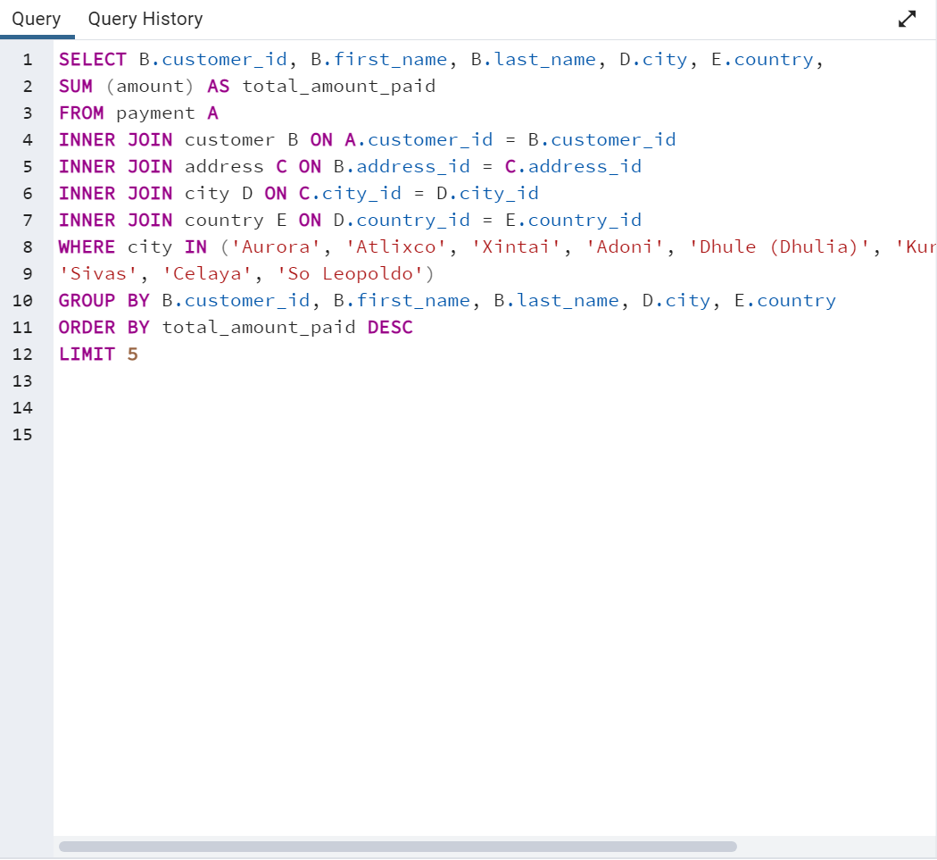
Data Output
customer_id | first_name | last_name | city | country | total_amount_paid
84 | Sara | Perry | Atlixco | Mexico | 128.7
SELECT B.customer_id, B.first_name, B.last_name, D.city, E.country,
SUM (amount) AS total_amount_paid
FROM payment A
INNER JOIN customer B ON A.customer_id = B.customer_id
INNER JOIN address C ON B.address_id = C.address_id
INNER JOIN city D ON C.city_id = D.city_id
INNER JOIN country E ON D.country_id = E.country_id
WHERE city In ('Aurora', 'Atlixco', 'Xintai', 'Adoni', 'Dhule (Dhulia)', 'Kurashiki', 'Pingxiang',
'Sivas', 'Celaya', 'So Leopoldo')
GROUP BY B.customer_id, B.first_name, B.last_name, D.city, E.country
ORDER BY total_amount_paid DESC
LIMIT 5
518 | Gabriel | Harder | Sivas | Turkey | 108.75
587 | Sergio | Stanfield | Celaya | Mexico | 102.76
537 | Clinton | Buford | Aurora | United States | 98.76
367 | Adam | Gooch | Adoni | India | 97.8

